AssureWel Dairy Scoresheet
 |  |  |  |  |  |  |  |  |  |  |  |  |  | Welfare Outcome Assessment
 |  |  |  |  |  |  |  |  |  |  |  |  |  | Dairy Cattle

Farm |  |  |  |  |  |  |  | Date

Individual measures
 |  |  | Mobility |  | Body Condition |  | Cleanliness |  | Hair Loss, Lesions
 |  |  |  |  |  |  |  |  | and Swellings
 |  |  | Good/ |  | Thin - (1 -<2) |  | 0 = Clean: no dirt/only minor splashing |  | 0 = No/slight skin damage / swelling
 |  |  | Imperfect-0/1 |  |  |  |  |  | H = Hairless patch (1 or more ≥2cm) L = Lesion (1 or more ≥2cm)
 |  |  | Impaired - 2 |  | Moderate - (2 - <4) |  | 2 = Very dirty: plaques>forearm length |  | 1S = mild swelling 2S = substantial swelling (≥5cm in diameter)
Cow | ID |  | Severely Impaired - 3 |  | Fat - (4 - 5) |  |  |  | Head & Neck |  | Body |  | Front Leg |  | Rear Legs
1
2
3
4
5
6
7
8
9
10
11
12
13
14
15
16
17
18
19
20
21
22
23
24
25
26
27
28
29
30
31
32
33
34
35
36
37
38
39
40
41
42
43
44
45
46
47
48
49
50

 |  | Mobility |  |  | Body Condition |  | Cleanliness |  | Hair Loss, Lesions & Swellings
Total Scores |  | Score |  | Cows / | Score | Cows / | Score | Cows / | Score | Head & Neck | Body | Front Leg |  | Rear Legs
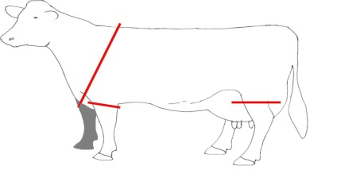
 |  | 0-1 |  |  | Thin |  | 0 |  | 0
 |  | 2 |  |  | Mod |  | 2 |  | H
 |  | 3 |  |  | Fat |  |  |  | L
 |  |  |  |  |  |  |  |  | 1S
Mobility scoring carried out at pasture |  |  |  |  |  |  |  |  | 2S

Broken Tails (Tally)
Broken Tails Comments / Causes

Cows needing further care (including score 3 cows)

Comment
Comments (including cow ID)

Response to stock-person? |  |  |  |  |  |  |  | sociable |  | relaxed |  | nervous
Regular stock-person? |  |  |  |  |  |  |  | Yes |  | No |  |  |  | AssureWel_Dairy Scoresheet RELACS_50cows

