Introduction
NutriGaDget
Hohenheimer Farm Gate Nutrient Budget Calculator

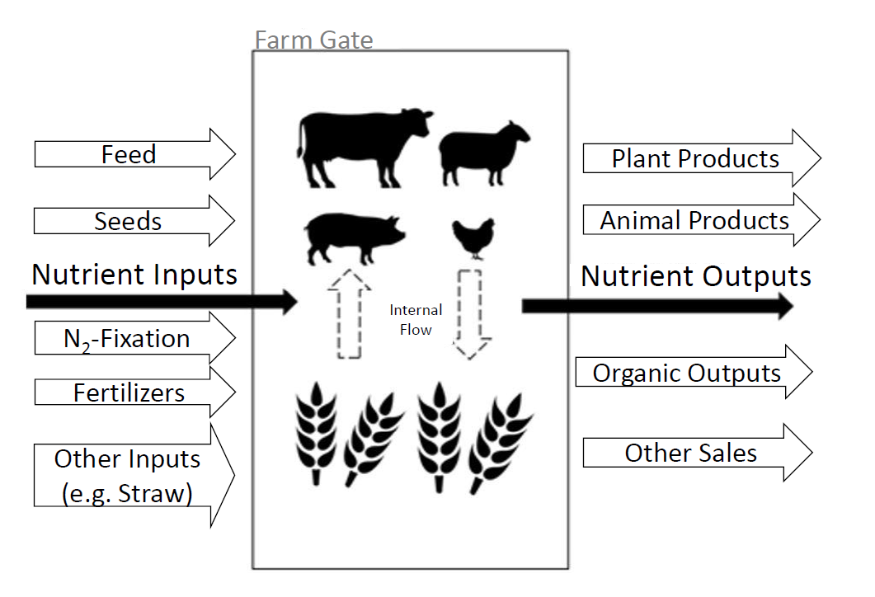

Warning: To ensure the function of the excel tool, please do only edit the yellow marked cells and do not drag and drop cells.

Author: Marie Reimer, 2020

Farm Gate Budget
Farm gate balance
Amounts for the whole farm (kg/year) |  |  |  |  | Calculated in respect to the farmed area (kg/ha & year)
2015 |  |  |  |  | Farm area |  |  | 0.00 | in ha
Budget in kg/ha & year
Nutrient Inputs |  |  |  |  | Nutrient Inputs
N | P | K | Mg | S | N | P | K | Mg | S
kg/year | kg/year | kg/year | kg/year | kg/year | kg/ha & year | kg/ha & year | kg/ha & year | kg/ha & year | kg/ha & year
0 | 0 | 0 | 0 | 0 | #DIV/0! | #DIV/0! | #DIV/0! | #DIV/0! | #DIV/0!
Nutrient Outputs |  |  |  |  | Nutrient Outputs
N | P | K | Mg | S | N | P | K | Mg | S
kg/year | kg/year | kg/year | kg/year | kg/year | kg/ha & year | kg/ha & year | kg/ha & year | kg/ha & year | kg/ha & year
0 | 0 | 0 | 0 | 0 | #DIV/0! | #DIV/0! | #DIV/0! | #DIV/0! | #DIV/0!
Budget |  |  |  |  | Budget
N | P | K | Mg | S | N | P | K | Mg | S
kg/year | kg/year | kg/year | kg/year | kg/year | kg/ha & year | kg/ha & year | kg/ha & year | kg/ha & year | kg/ha & year
0 | 0 | 0 | 0 | 0 | #DIV/0! | #DIV/0! | #DIV/0! | #DIV/0! | #DIV/0!
2016
Budget in kg/ha & year
Nutrient Inputs |  |  |  |  | Nutrient Inputs
N | P | K | Mg | S | N | P | K | Mg | S
kg/year | kg/year | kg/year | kg/year | kg/year | kg/ha & year | kg/ha & year | kg/ha & year | kg/ha & year | kg/ha & year
0 | 0 | 0 | 0 | 0 | #DIV/0! | #DIV/0! | #DIV/0! | #DIV/0! | #DIV/0!
Nutrient Outputs |  |  |  |  | Nutrient Outputs
N | P | K | Mg | S | N | P | K | Mg | S
kg/year | kg/year | kg/year | kg/year | kg/year | kg/ha & year | kg/ha & year | kg/ha & year | kg/ha & year | kg/ha & year
0 | 0 | 0 | 0 | 0 | #DIV/0! | #DIV/0! | #DIV/0! | #DIV/0! | #DIV/0!
Budget |  |  |  |  | Budget
N | P | K | Mg | S | N | P | K | Mg | S
kg/year | kg/year | kg/year | kg/year | kg/year | kg/ha & year | kg/ha & year | kg/ha & year | kg/ha & year | kg/ha & year
0 | 0 | 0 | 0 | 0 | #DIV/0! | #DIV/0! | #DIV/0! | #DIV/0! | #DIV/0!
2017
Budget in kg/ha & year
Nutrient Inputs |  |  |  |  | Nutrient Inputs
N | P | K | Mg | S | N | P | K | Mg | S
kg/year | kg/year | kg/year | kg/year | kg/year | kg/ha & year | kg/ha & year | kg/ha & year | kg/ha & year | kg/ha & year
0 | 0 | 0 | 0 | 0 | #DIV/0! | #DIV/0! | #DIV/0! | #DIV/0! | #DIV/0!
Nutrient outputs |  |  |  |  | Nutrient outputs
N | P | K | Mg | S | N | P | K | Mg | S
kg/year | kg/year | kg/year | kg/year | kg/year | kg/ha & year | kg/ha & year | kg/ha & year | kg/ha & year | kg/ha & year
0 | 0 | 0 | 0 | 0 | #DIV/0! | #DIV/0! | #DIV/0! | #DIV/0! | #DIV/0!
Budget |  |  |  |  | Budget
N | P | K | Mg | S | N | P | K | Mg | S
kg/year | kg/year | kg/year | kg/year | kg/year | kg/ha & year | kg/ha & year | kg/ha & year | kg/ha & year | kg/ha & year
0 | 0 | 0 | 0 | 0 | #DIV/0! | #DIV/0! | #DIV/0! | #DIV/0! | #DIV/0!
Average |  |  |  |  | Average
Average budget in kg/ha & year
Nutrient Inputs |  |  |  |  | Nutrient Inputs
N | P | K | Mg | S | N | P | K | Mg | S
kg/year | kg/year | kg/year | kg/year | kg/year | kg/ha & year | kg/ha & year | kg/ha & year | kg/ha & year | kg/ha & year
0 | 0 | 0 | 0 | 0 | #DIV/0! | #DIV/0! | #DIV/0! | #DIV/0! | #DIV/0!
Nutrient Outputs |  |  |  |  | Nutrient Outputs
N | P | K | Mg | S | N | P | K | Mg | S
kg/year | kg/year | kg/year | kg/year | kg/year | kg/ha & year | kg/ha & year | kg/ha & year | kg/ha & year | kg/ha & year
0 | 0 | 0 | 0 | 0 | #DIV/0! | #DIV/0! | #DIV/0! | #DIV/0! | #DIV/0!
Budget |  |  |  |  | Budget
N | P | K | Mg | S | N | P | K | Mg | S
kg/year | kg/year | kg/year | kg/year | kg/year | kg/ha & year | kg/ha & year | kg/ha & year | kg/ha & year | kg/ha & year
0 | 0 | 0 | 0 | 0 | #DIV/0! | #DIV/0! | #DIV/0! | #DIV/0! | #DIV/0!

